Sheet1
Employee Reduced Tuition Benefit
This is a tool to help you estimate the amount by which your take home pay will be reduced due to taxes associated with the tuition benefit. Use this calculator only if your total tuition benefit exceeds $5,250 for the calendar year (not academic year).

Directions
You only need to populate the two green boxes below. One with the annualized amount of tuition you believe you will incur. The other with your per pay period earnings. This will estimate the amount your take home pay will be reduced due to additional taxes associated with the tuition benefit.
Part I: Tuition Benefit Tax Estimator
Calculator |  |  |  |  |  | Tuition Rates
 |  |  |  |  |  | Contact the school or Student Finance for tuition rate questions
 | Total Tuition For the Year |  |  |  |  | Student Finance Tuition Rates

 | Taxable Tuition Benefit for Tax Year

 | Additional Taxes Owed During Tax Year

 | Tax Type | Amount | Taxes Owed
 | Federal | 25%
 | State | 4.95%
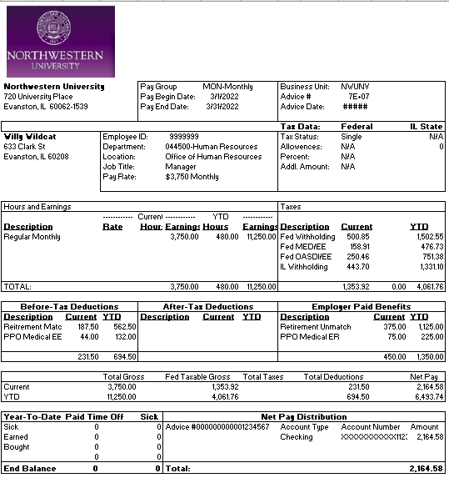
 | Social Security | 6.20%
 | Medicare | 1.45%

Part II: Tuition Tax Take Home Pay Estimator
Directions
You only need to populate the green box below. You will need to access your most recent pay check via myHR Self Service. To find your check, login to myHR, select the Pay tile, then select your most recent check. Then take the Current Net Pay, found on the bottom right of the pay sub. Enter than number into the green box below.

Calculator

 | Your Net Pay

 | Take Home Pay After Additional Tuition Taxes*
 | Monthly Checks
 | Biweekly Checks

*Pay frequency is determined by your FLSA status and cannot be changed.
 |  |  |  | Print Date: | 2022-04-26

Other factors such as pre-tax benefits, additional W4 withholdings, bonuses/extra pay, etc. are not considered in this calculator.

