Sightlines Definitions
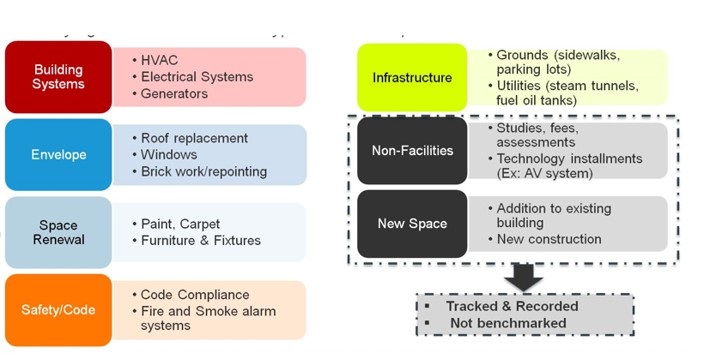
Understanding the Package Breakout

Each type of investment has different returns for the campus

